6915
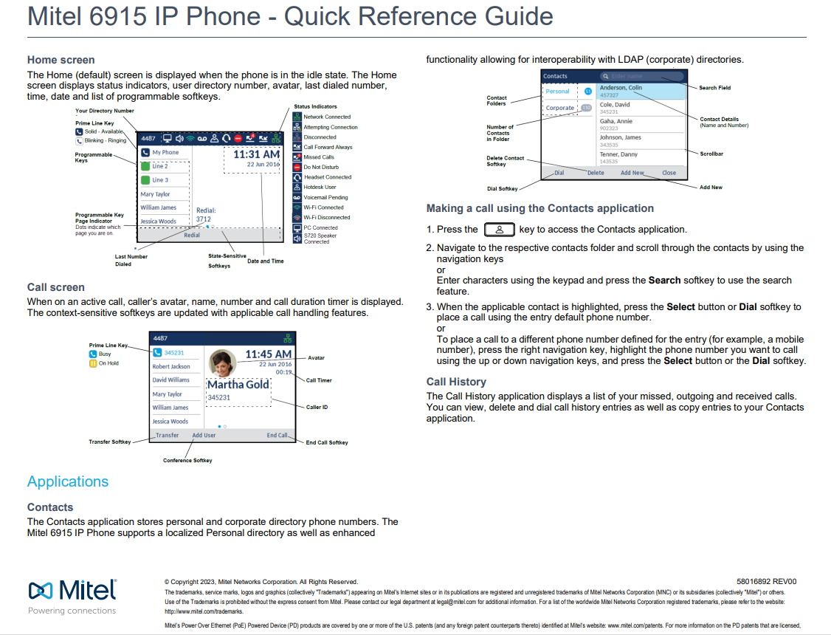
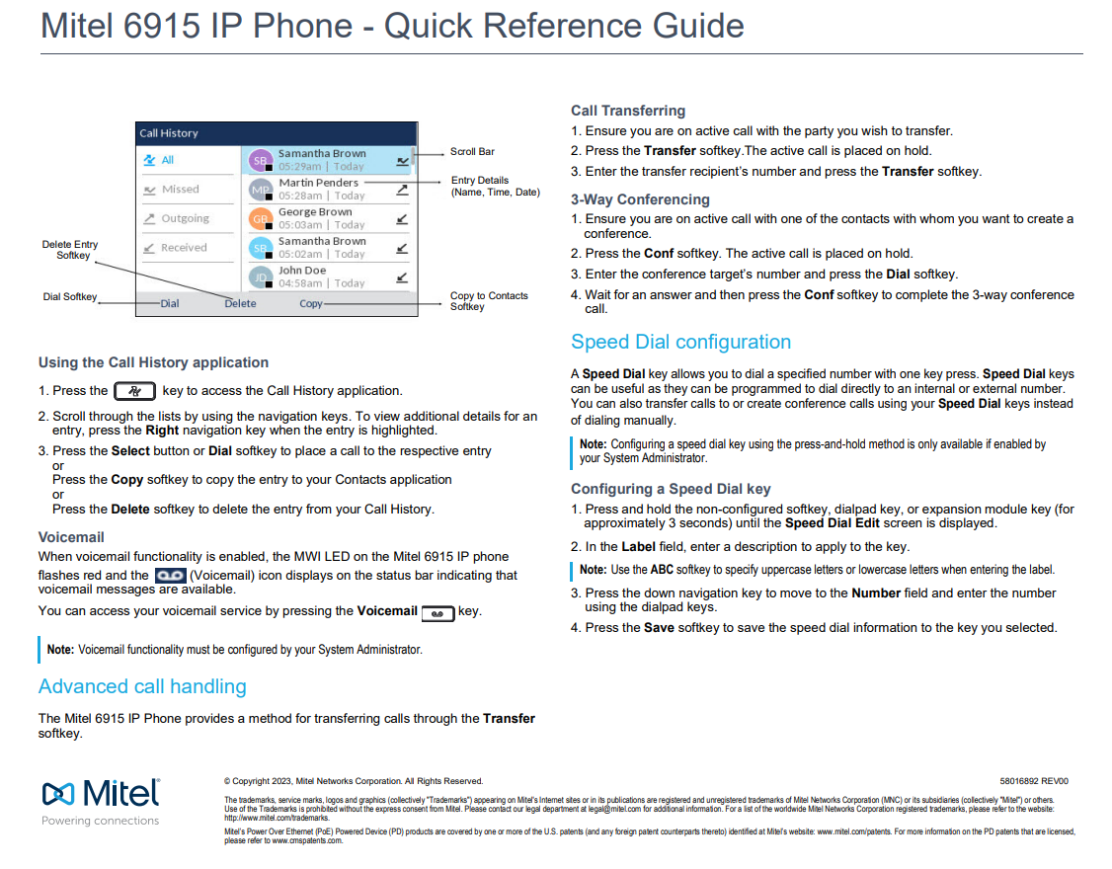
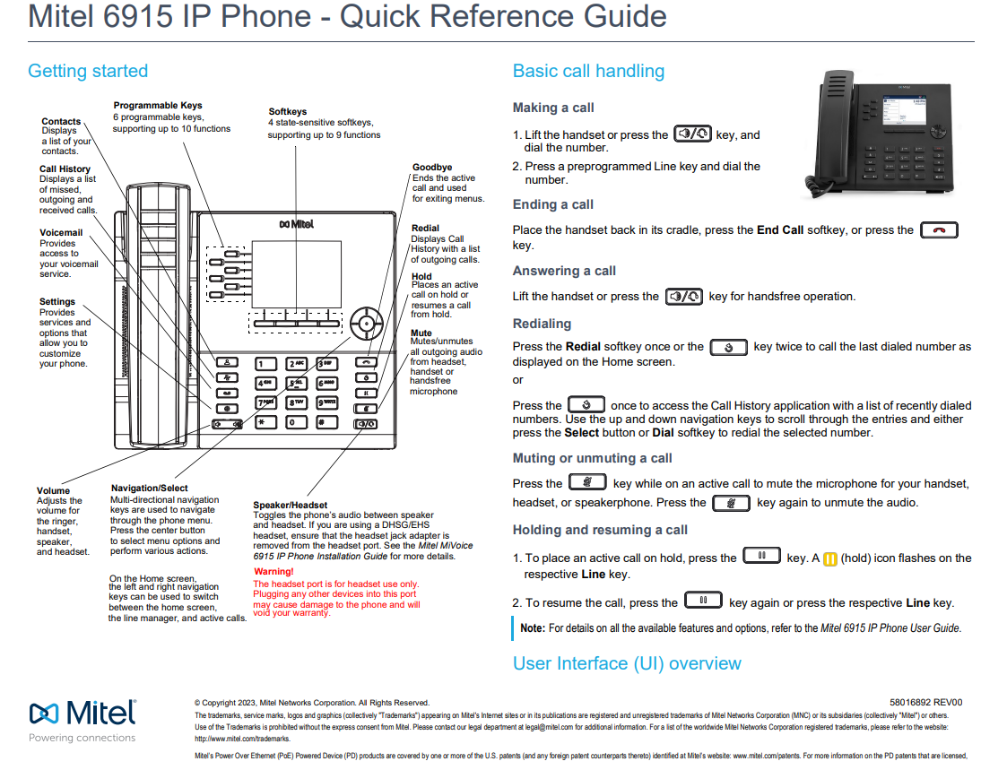

User Guide
Mitel 6915 SIP Phone User Guide

Short Training Video:
6915 Phone: Overview: MiVoice Business (youtube.com)
6915 IP Phone - MiVoice Business (mitel.com)
6915 Phone: Programming Keys: MiVoice Business (youtube.com)
6915 Phone: Conferencing Calls: MiVoice Business (youtube.com)
6915 Phone: Hot Desking: MiVoice Business (youtube.com)
6915 Phone: Transferring a Call: MiVoice Business (youtube.com)

6920
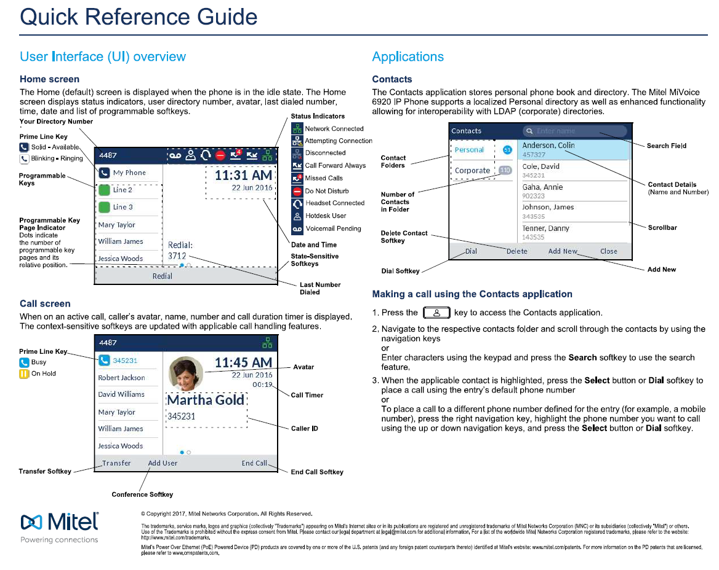
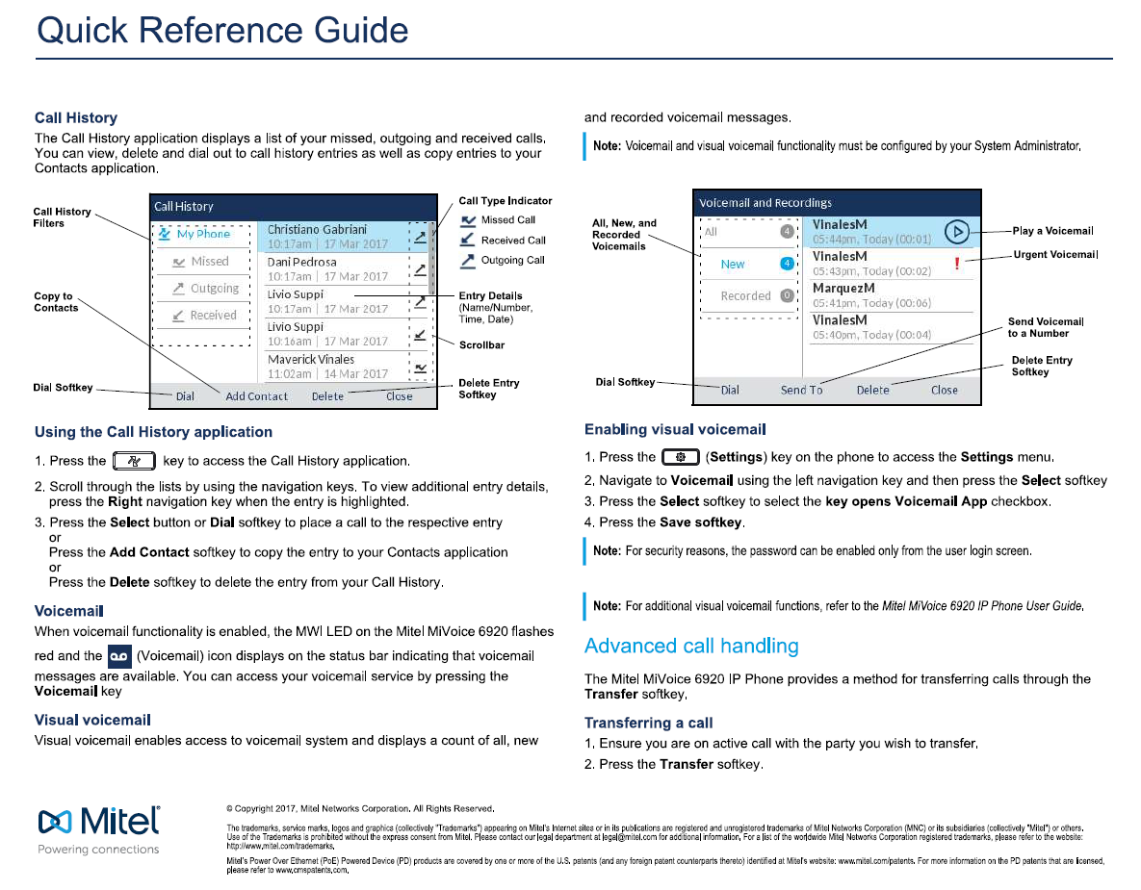
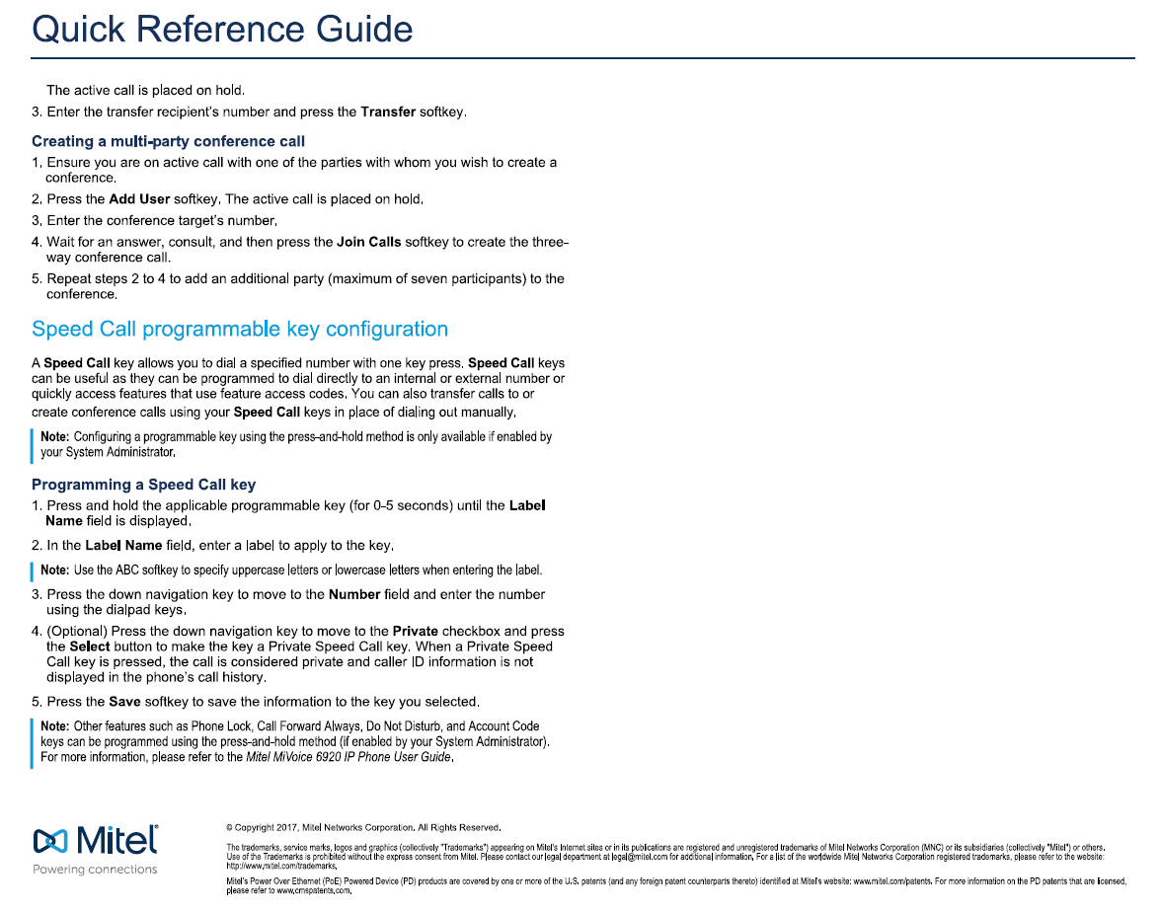
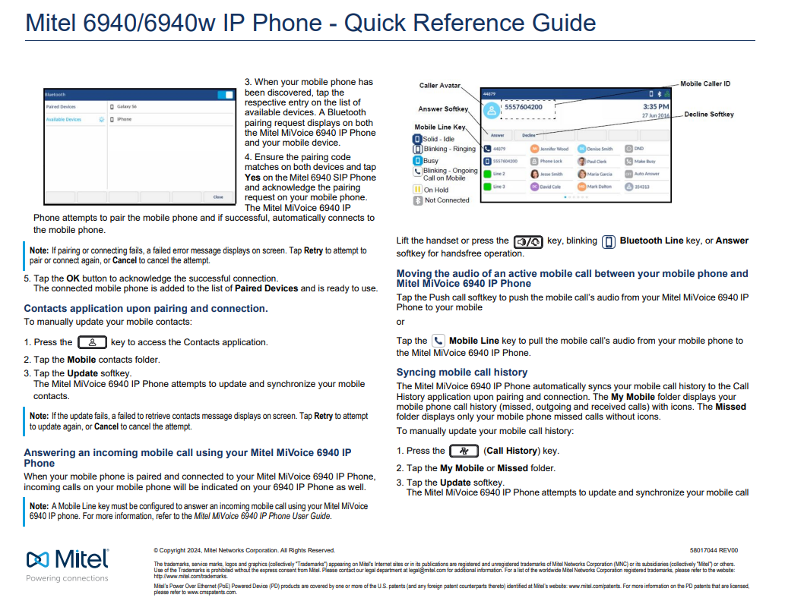
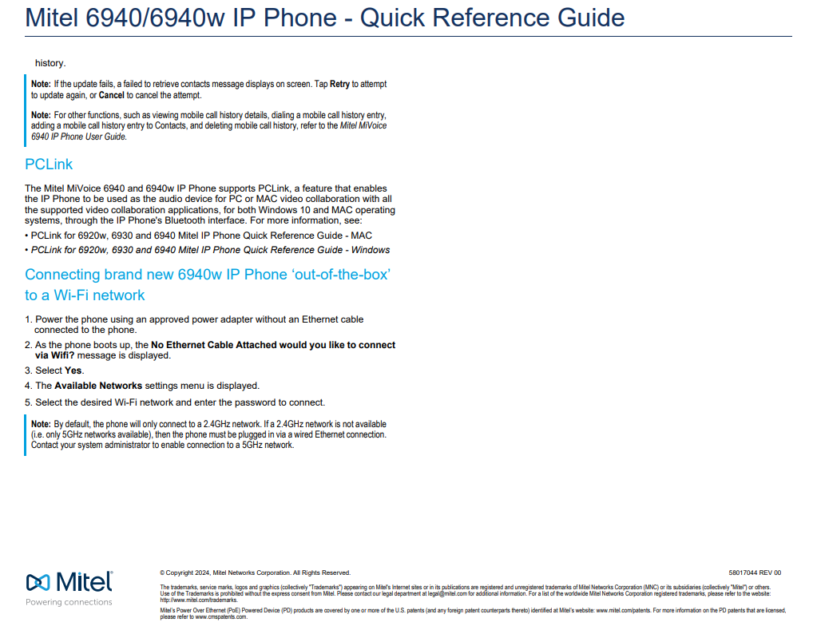
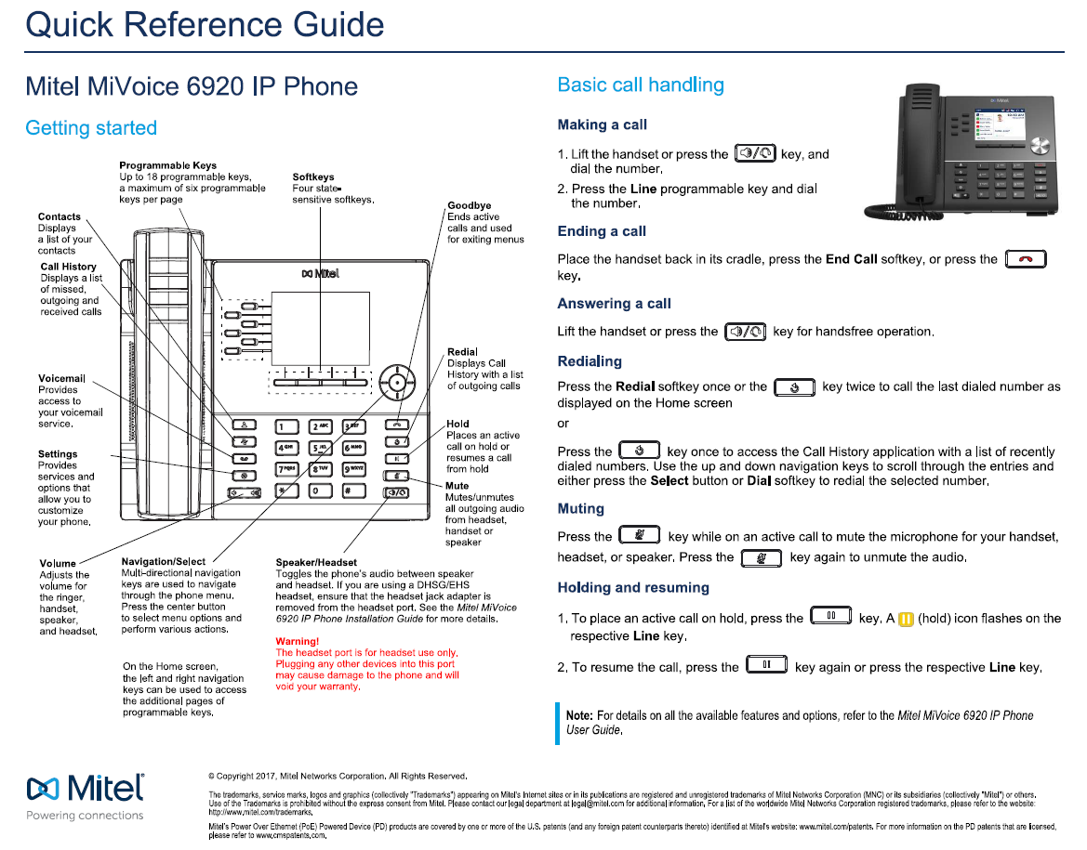

User Guide
MiVoice 6920 IP Phone User Guide (mitel.com)

Short Training Video:
6920 Phone: Overview: MiVoice Business (youtube.com)
6920 IP Phone - MiVoice Business (mitel.com)
6920 Phone: Park and Retrieve (youtube.com)
6920 Phone: Monitor Extension (youtube.com)
6920 Phone: Availability States (youtube.com)
6920 Phone: Audio Paths (youtube.com)
6920 Phone: Ring Tones (youtube.com)

6940
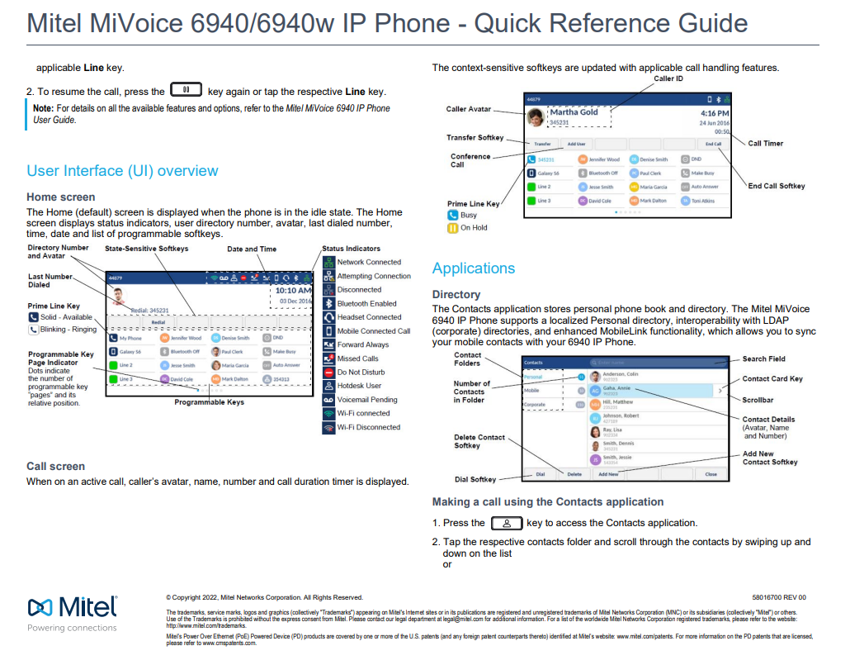
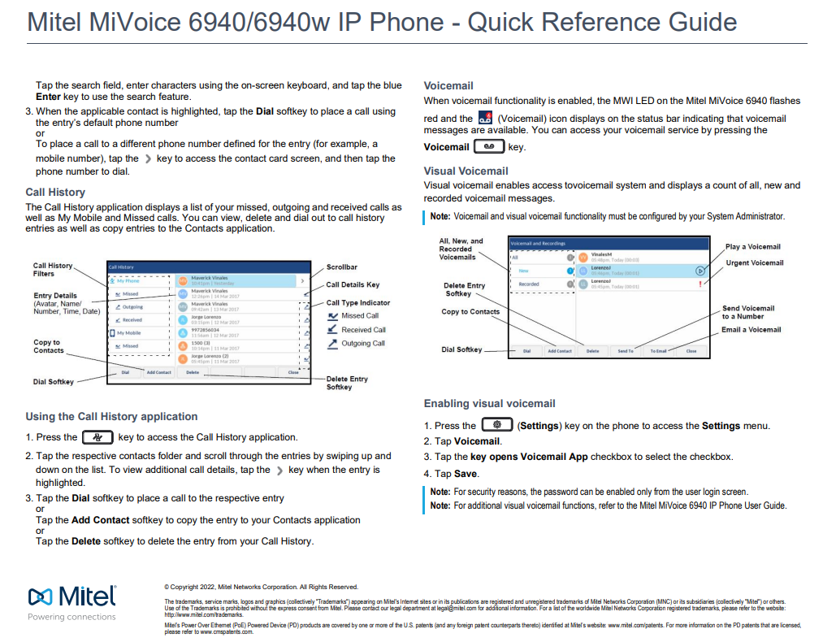
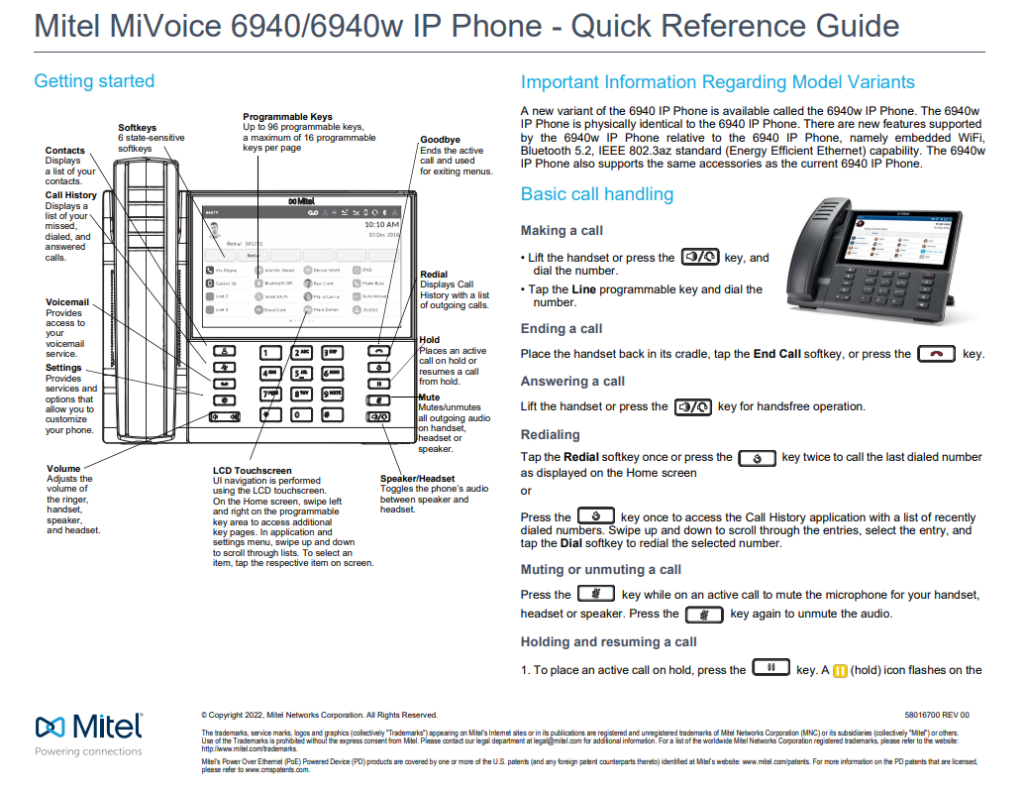

User Guide
Mitel 6940/6940w IP Phone User Guide

Short Phone Training Videos:
6940 IP Phone - MiVoice Business (mitel.com)
6940 Phone: Overview (youtube.com)
6940 Phone: Placing a Call (youtube.com)
6940 Phone: Answer A Call (youtube.com)
6940 Phone: Hold and Mute (youtube.com)
6940 Phone: Transferring a Call (youtube.com)
6940 Phone: Transferring a Call To Voicemail (youtube.com)
6940 Phone: Ad Hoc Conference (youtube.com)
6940 Phone: Contacts (youtube.com)
6940 Phone: Call History (youtube.com)
6940 Phone: Park and Retrieve (youtube.com)
6940 Phone: Speed Dial (youtube.com)
6940 Phone: Monitor Extension (youtube.com)
6940 Phone: Availability States (youtube.com)
6940 Phone: Audio Paths (youtube.com)
6940 Phone: Ring Tones (youtube.com)
6940 Phone: Mobilelink (youtube.com)

6970
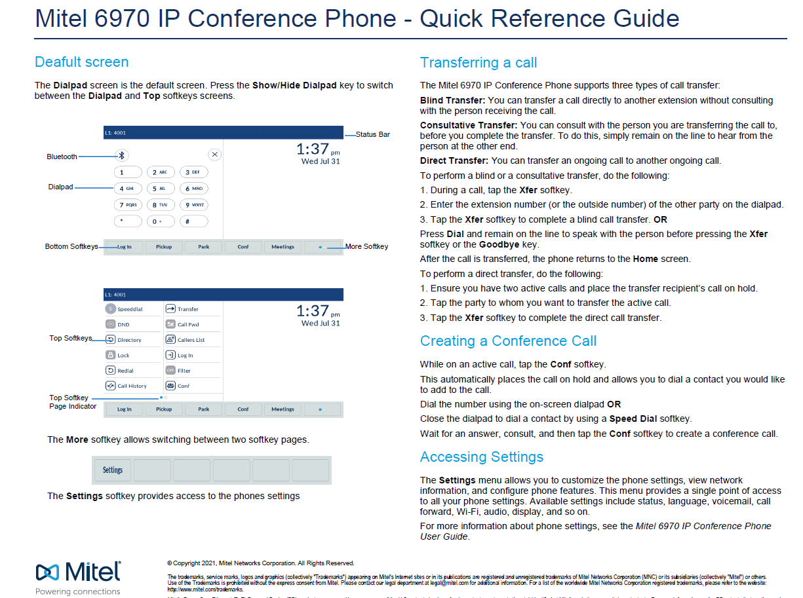
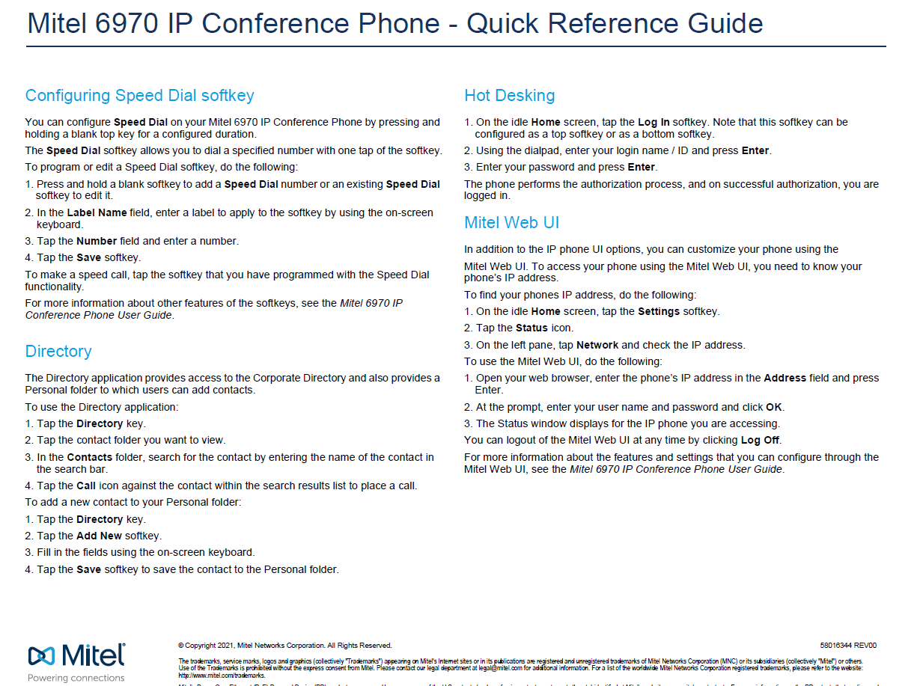
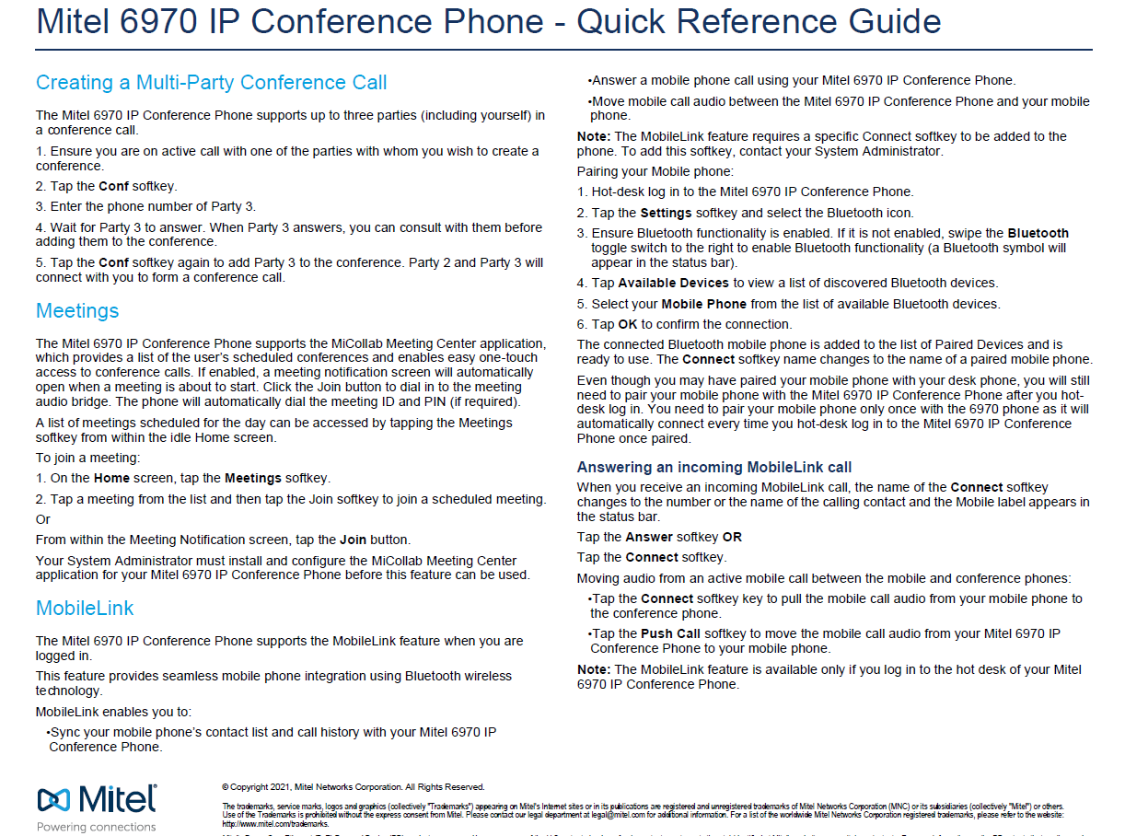
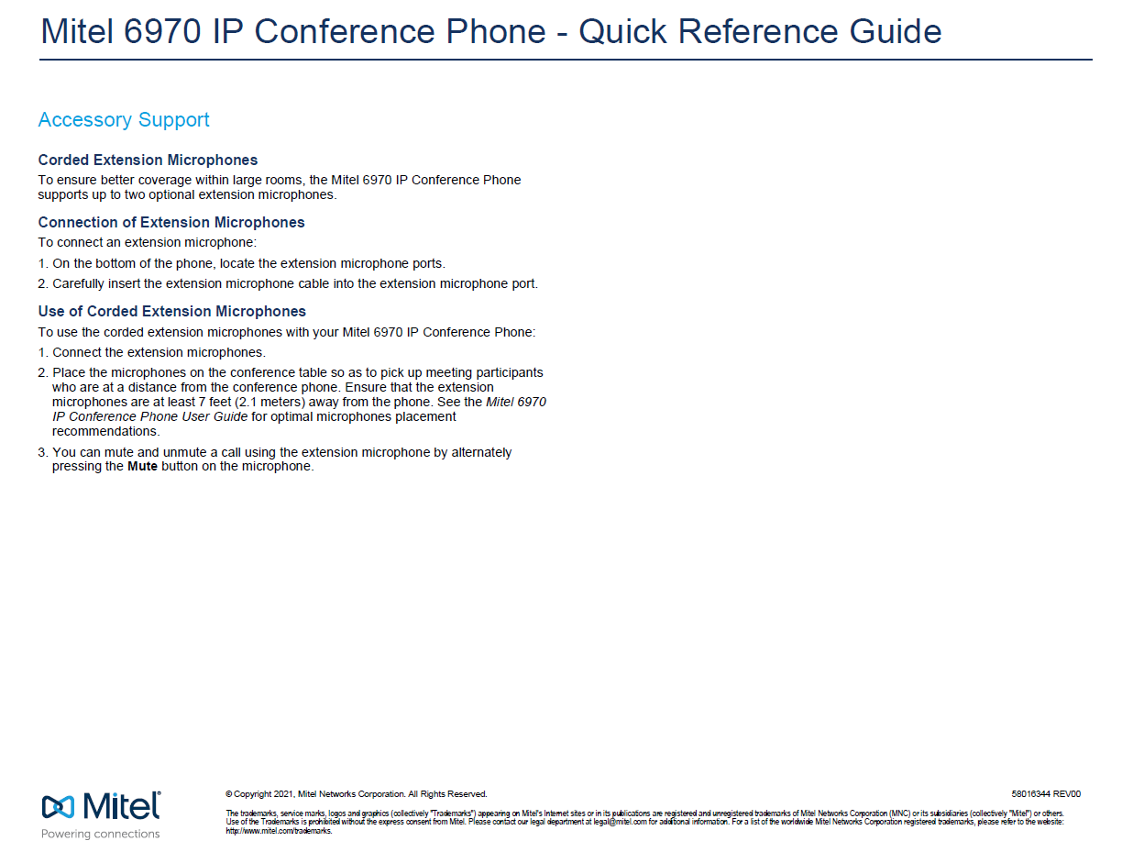
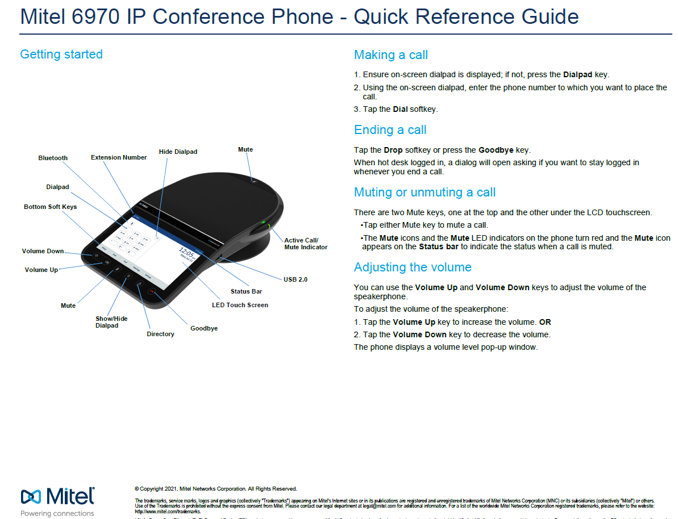

6970 IP Phone - MiVoice Business (mitel.com)
.

Call Forwarding
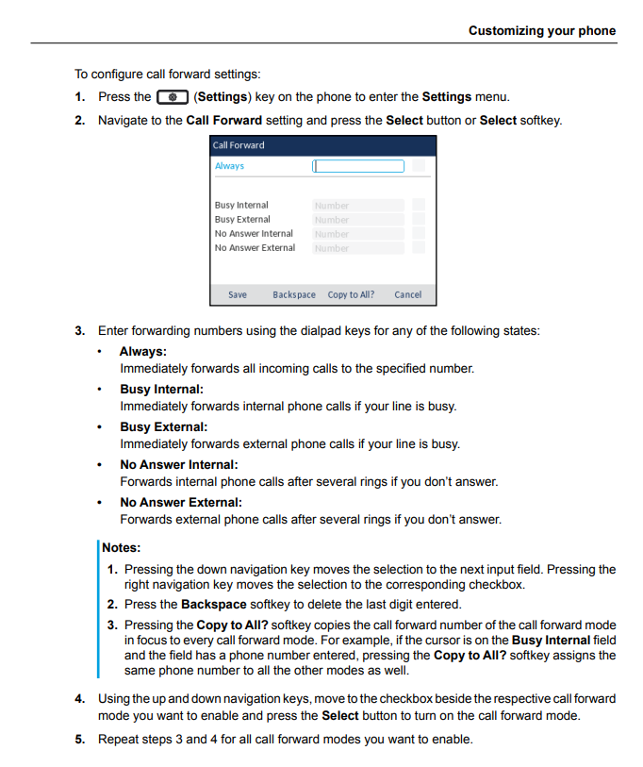

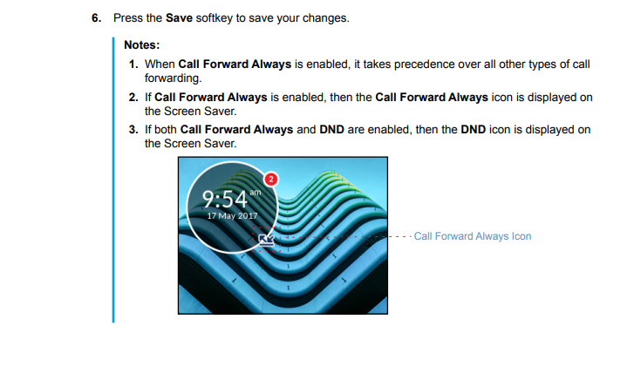

Voicemail
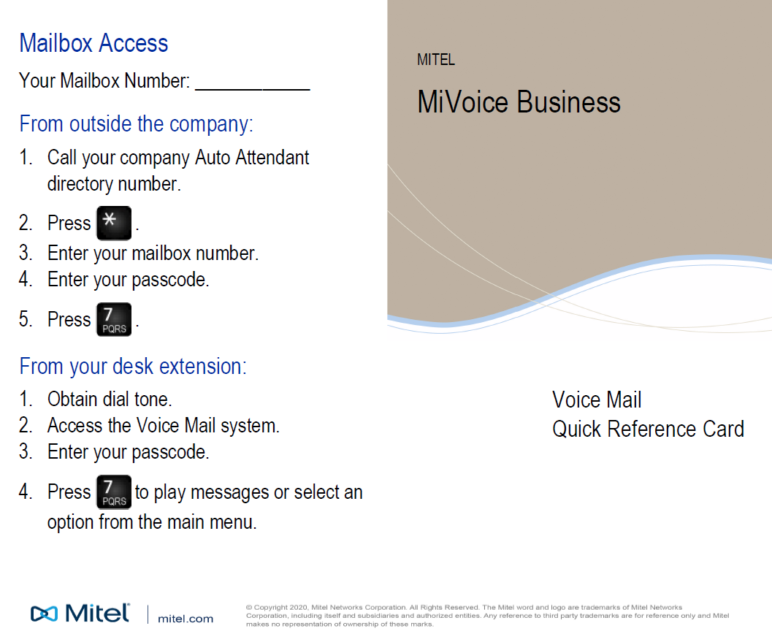

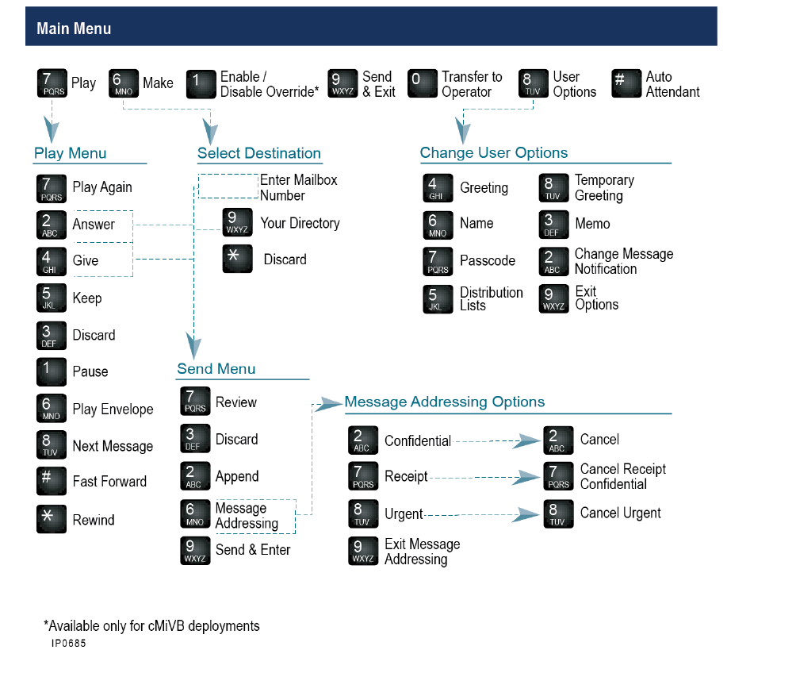

MiCollab
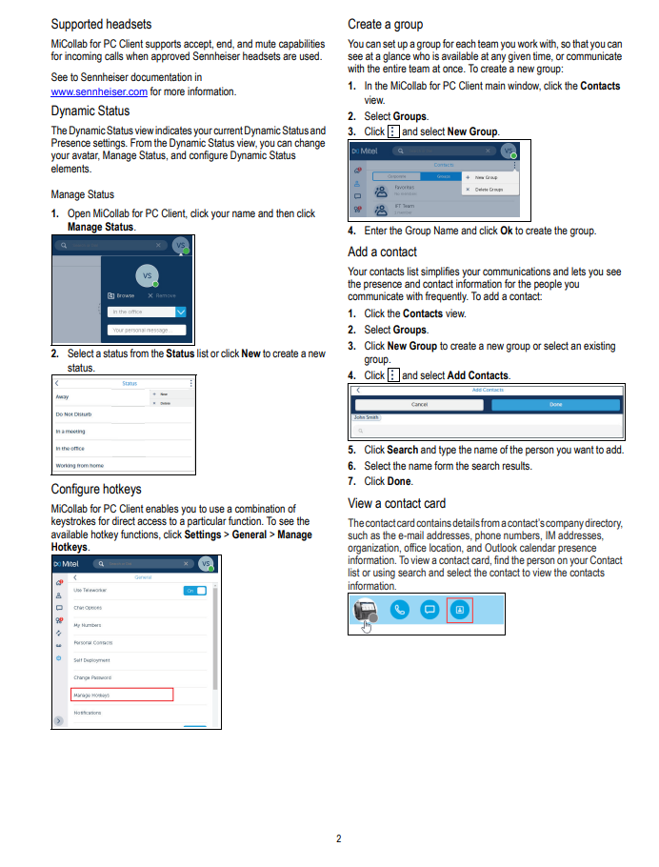
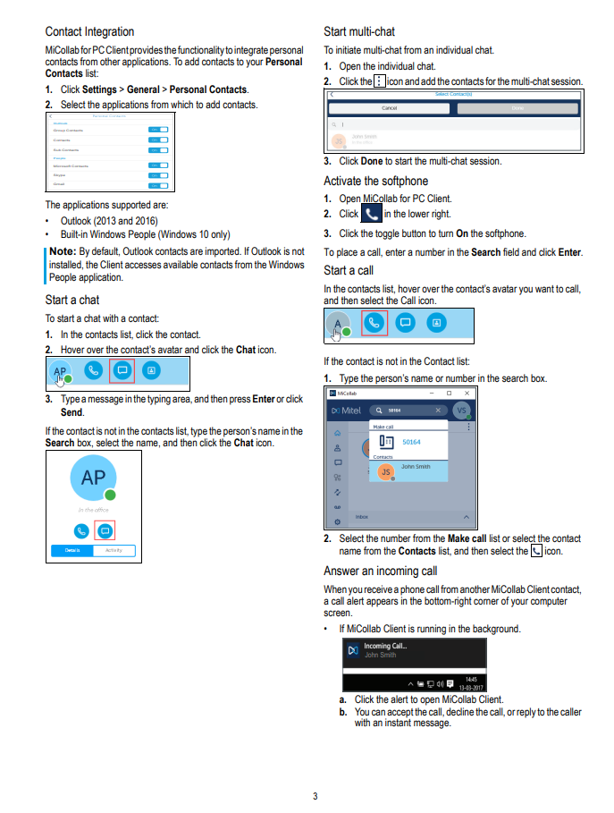
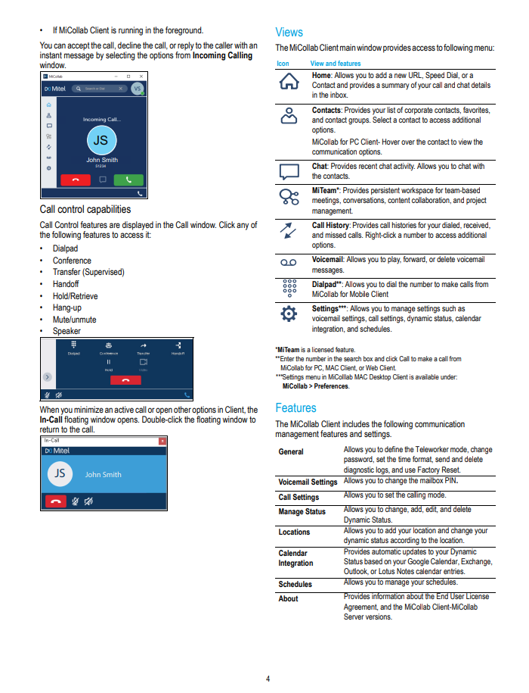
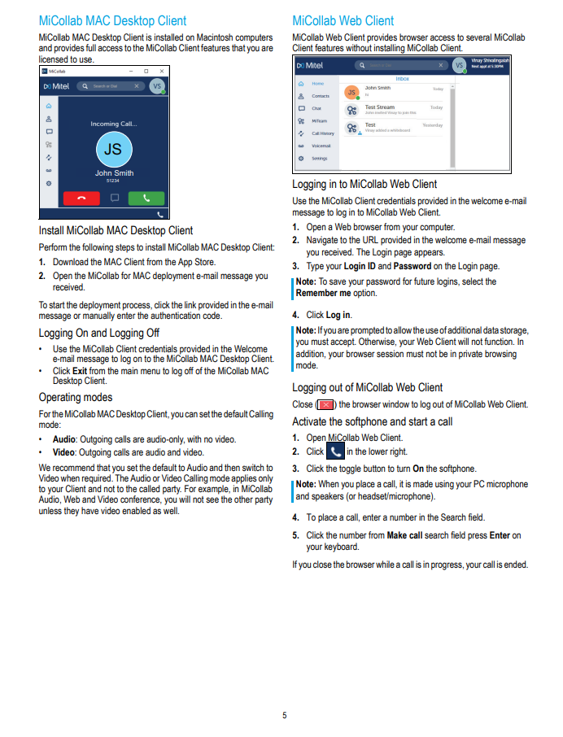
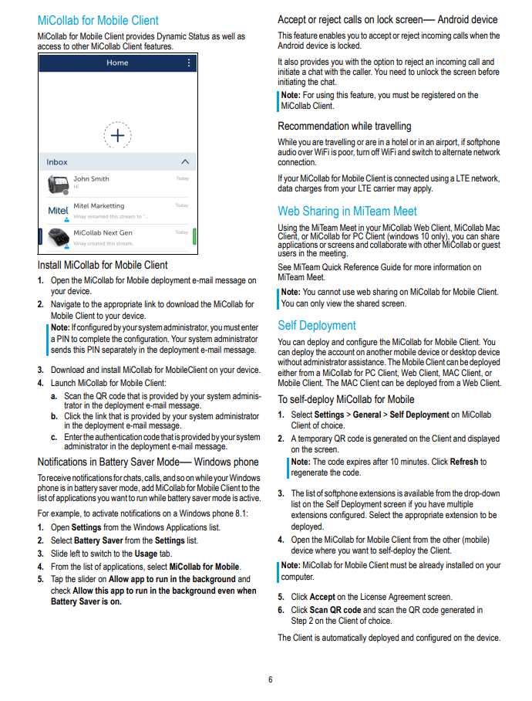
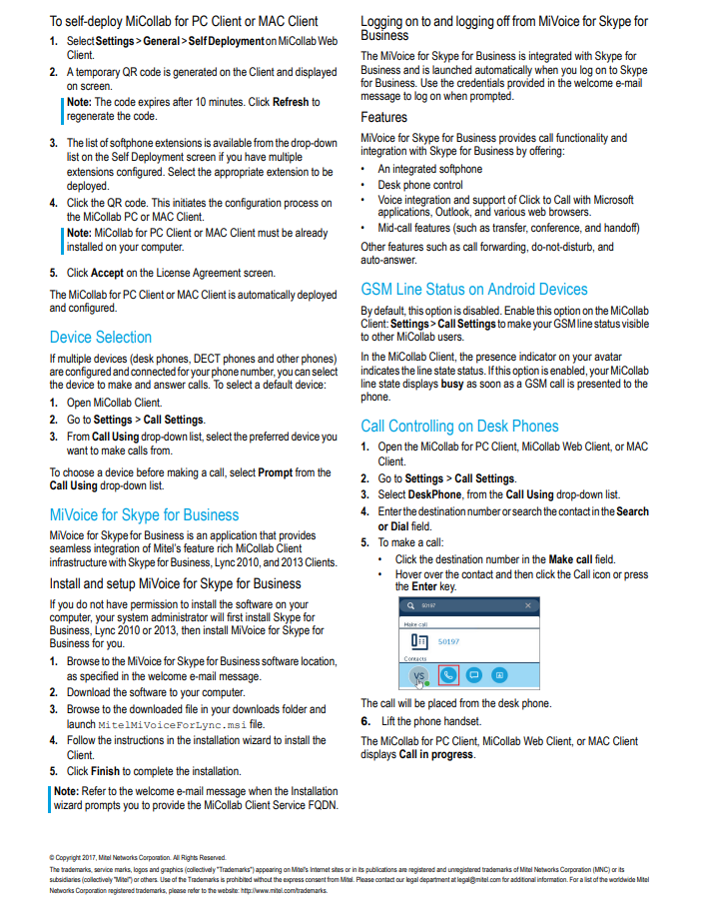
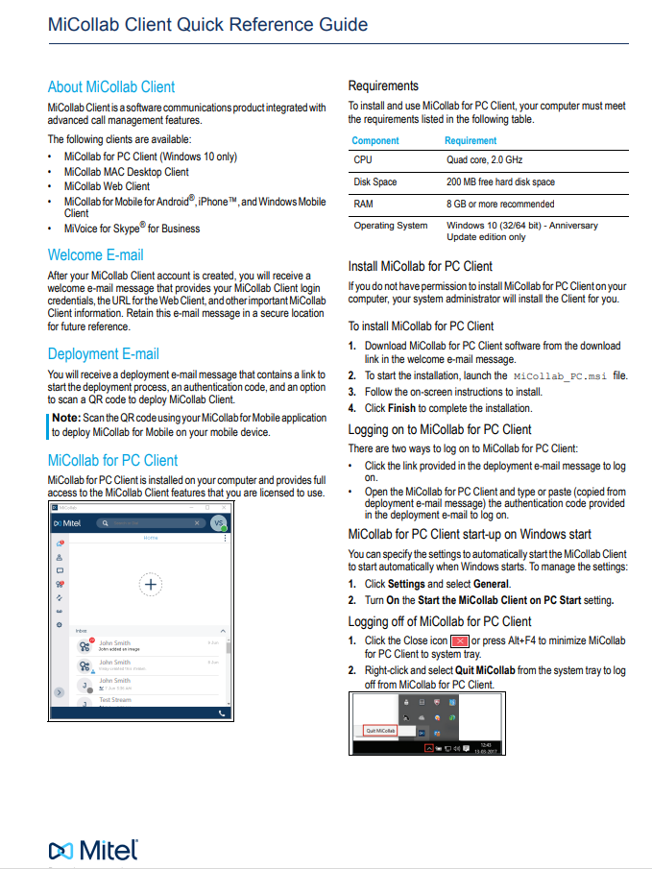

Short Training Videos:
MiCollab: iOS Install Guide (youtube.com)
MiCollab: Android Install Guide (youtube.com)
MiCollab Client (mitel.com)

